Worksheet new
WORKSHEET NO: | 1396 06 | bugatti | DENIM F/S17 | FASTENER |  |  | NL | S | R | I | P | H | Eng | RO | F 1+2 | Can | SLO | IND | CH
SUPP: | 201 | DATE | 2016-07-08 |  | OPEN | VELCRO | 1.0 | 2.0 |  | 1.5 |  |  |  | 0.5 | 2.0 |  |  |  | 0.5
GROUP | Alfa | DELIVERY |  |  | SNAP | ZIPPER | RK | PD | RB | MI | MOC | RD | MH | PÖ | ML | MZ | SI | PM | LA
STYLE NO: | 1396 | DELIVERY TO: | Fix in Pirmasens |  | BUCKLE |  |  |  |  | 0.5 |  |  |  |  | 0.5 | 0.5 | 1.0 | 0.5 | 2.0
COMBINATION : | Combi.6 | ARTICLE |  | * | LACES |  | KEY: |  | x = Keyartikel |  |  | 1.0 |  |  |  | SI 1 Pair to AGRA/BALORE
LAST/ SIZE | SCOOTER PH7526 42 | CODE | F4816-6-300 |  | SLIP ON |  | Total: |  | 12.5 |  |  | 11.5 |  |  |  | in PS latest 18.07.16
EAS from OLAP: | 13 HERREN SCHNURER | ORDER NO: |  |  | SLIP ON BOOT
UPPER | Material |  | COLOR | SUPPLIER |  |  | Remark
1 | TEXTILE WOVEN |  | RED pant 19-1664 | 201
2 | TEXTILE WOVEN |  | DK RED pant 19-1759 | 201
X
3 | TEXTILE WOVEN |  | RED pant 19-1664 | 201
4 | PLASTIC TPU |  | RED TRANSPARENT | 201
3M BLACK -WHITE PRINTED
LINING material | MESH | colour | BLACK
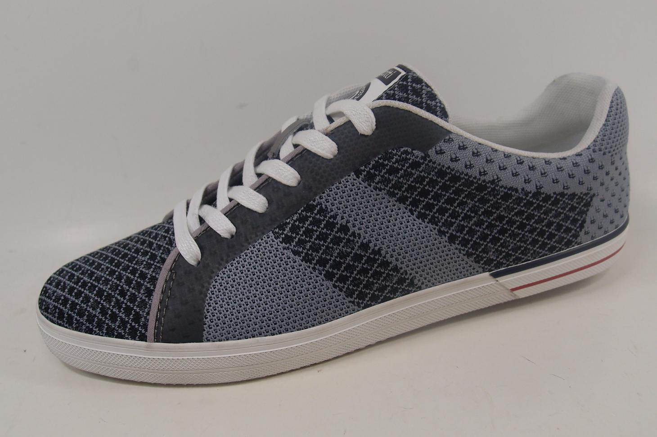
Supplier | 201 | Composition | TEXTILE
2
BORDER material |  | colour
BLK TRANSPARENT TPU
Supplier
LINING warm (yes/no) | NO | EVA CUP (yes/no) | BLACK

BLACK MATT RUBBER
4
1
INSOCK material | LYCRA | colour | RED 462
Supplier | ZHONG XIN | Composition | TEXTILE
LABEL INSOCK | BUGATTI/SOFT FIT/DYNAMIC | colour | WHIT/BLACK
BLACK PIPING
2
3
INSOCK warm (yes/no) | NO | removable (yes/no) | NO
2
X
2
1
OUTSOLE /NAME | ALFA | OUTSOLE /colour | WHITE WELT/BLACK BOTTOM
Material | RUBBER | Supplier | ZHONG XIN
INSOLE | FLEXI | Supplier | 201
1
bugatti EMBROIDERY BLACK
SIDE LOGO | BUGATTI | HEEL HEIGHT
LACES /ELASTIC | 6 mm round cotton | colour | DARK RED
EYELETS |  | colour
STITCHING | TKT 20 BLACK | HAND STITCH.
DECO STITCHING |  | EMBROIDERY | BLACK
FINISH |  | LAST WIDTH | NORMAL
COUNTER STIFFENER | THERMO PLASTIC 1,2 MM (Ago) | TOE PUFF | STÁNDAR
UPPER HEIGHT |  | UPPER WIDTH
HANG TAG | DENIM/DYNAMIC/SOFT FIT | BUCKLE / VELCRO
 |  | colour

